Job Details

Job Number & Name: | 35084 LB Bexley
Site Number/Name: | Site 11 - Upton Road
Client: | Waterman
Date: | 2023-03-30

Site Plan
Advanced Transport Research |  |  | Job Number & Name: | 35084 LB Bexley
Site 11 - Upton Road |  |  | Date: | 2023-03-30

Job Type: | Pedestrian & Vehicle Count
Co-ordinates: | 51°27'4.87"N, 0° 8'11.77"E | Postcode: | DA6 8LX |  | Times: | 0730-0930 1430-1630

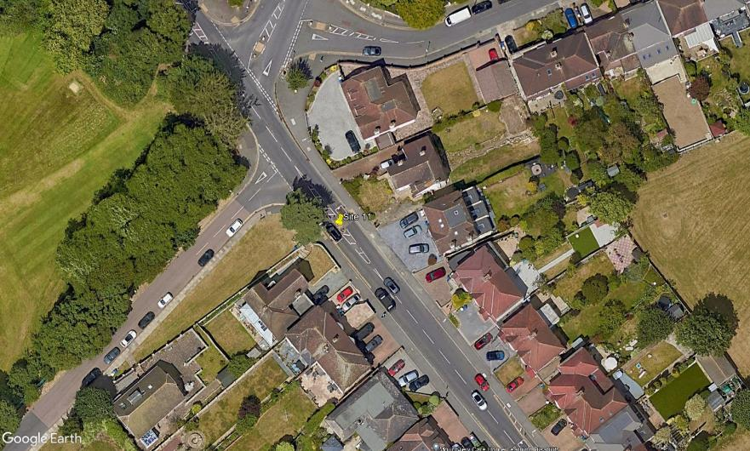
N
3

D
C

A

Iris Avenue
B

1
2
Upton Road

